Sheet1
 |  | (left most in image is 1 and right most is 10)
 | motor driver side | encoder side
GND | 1 | 2
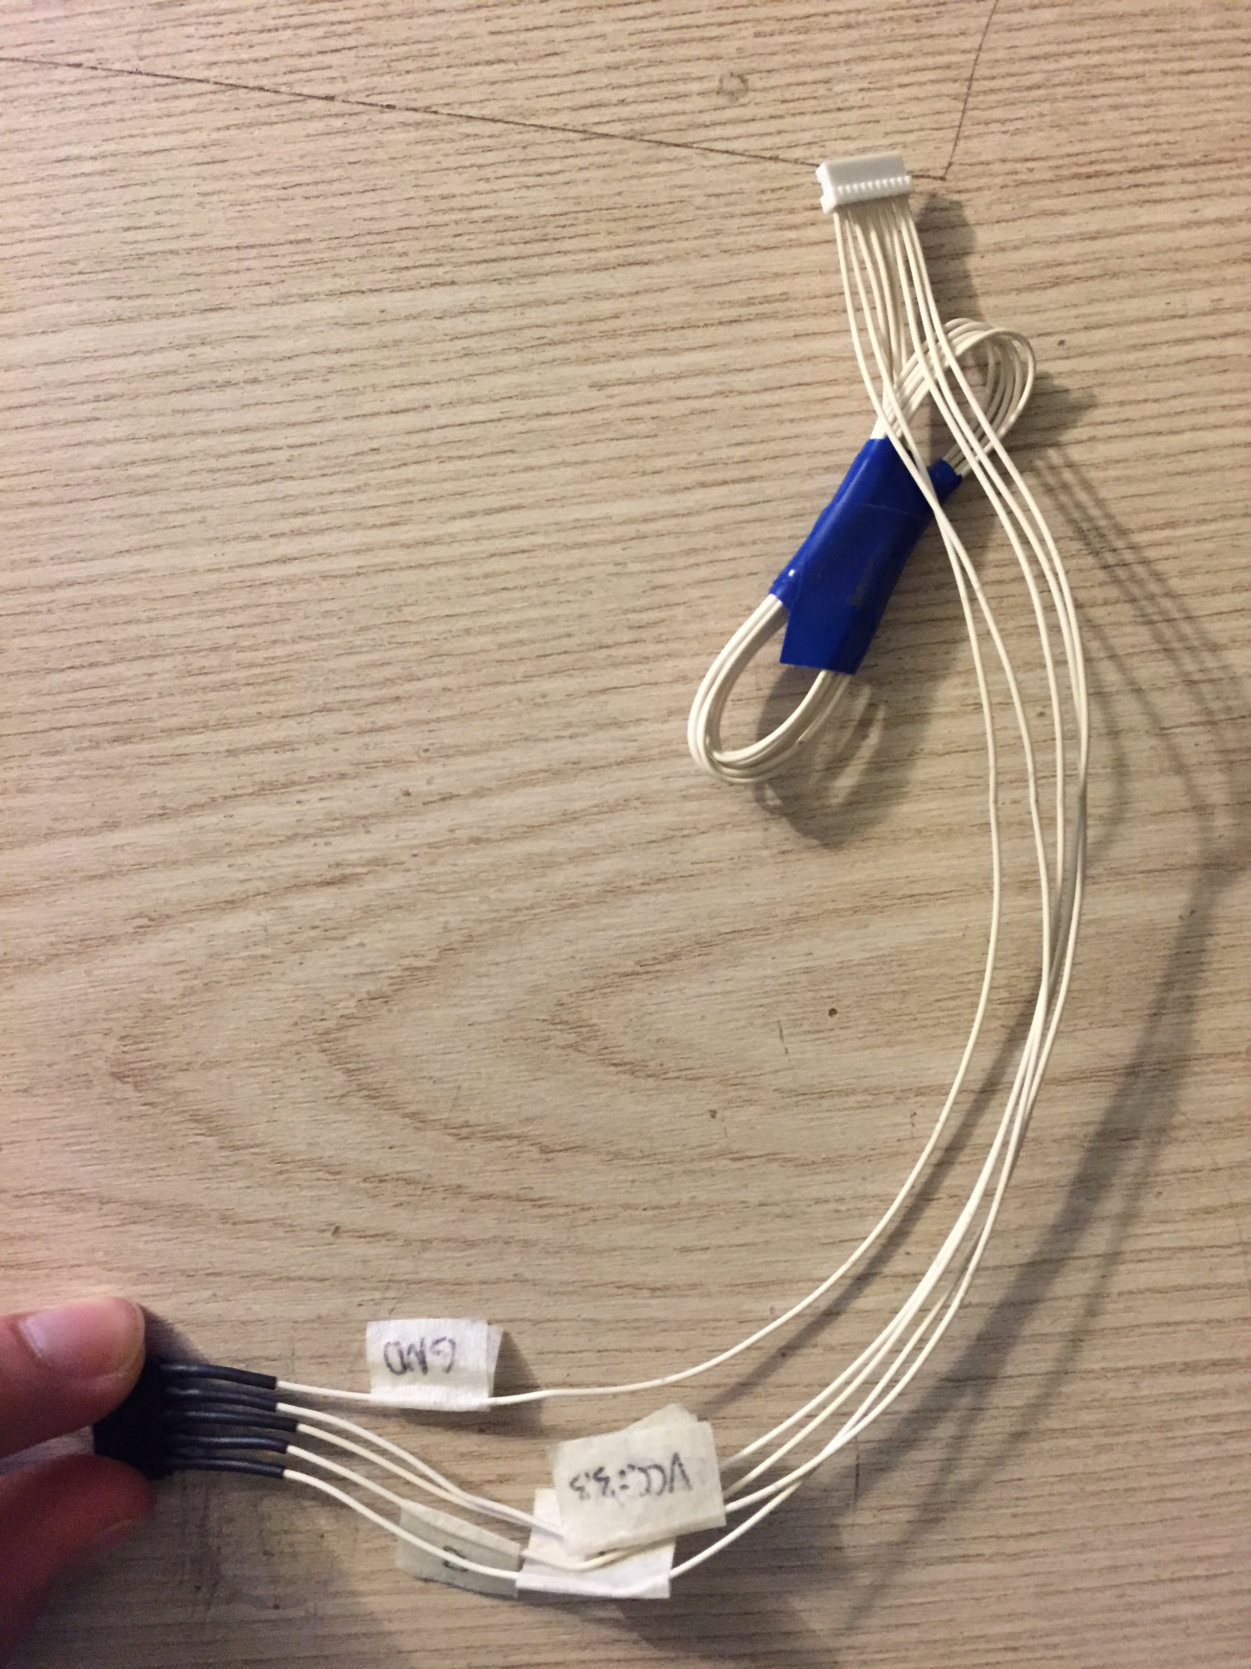
VCC 3.3 | 2 | 1
I | 3 | 10
B | 4 | 8
A | 5 | 9

